DCF and EVA Valuation
 | Elanders Valation
 | Currency: | SEK (in millions)

X | Assumptions

 | revenue growth |  | 2.5%
 | terminal growth rate |  | 0.0%
 | COGS / Sales |  | 86.0%
 | SG&A / Sales |  | 2.0%
 | PPE / Sales |  | 25.0%
 | Depr / PPE |  | 28.0%
 | NWC / Sales |  | 6.0%

 |  |  |  |  |  |  |  |  |  |  |  |  | 2.5% | 2.5% | 2.5% | 2.5% | 2.5% | 0.0%
X | DCF Analysis |  | 2014 | 2015 | 2016 | 2017 | 2018 | 2019 | 2020 | 2021 | 2022 | 2023 | 2024 | 2025 | 2026 | 2027 | 2028 | Terminal |  | Is Cash In > Cash Out

 | Revenue |  | 3,730.1 | 4,236.1 | 6,285.3 | 9,342.0 | 10,741.7 | 11,254.1 | 11,050.1 | 11,733.1 | 14,974.5 | 14,391.5 | 14,751.3 | 15,120.1 | 15,498.1 | 15,885.5 | 16,282.7 | 16,282.7 | 16,282.7 | -- Possible to have positive cashflow
 | COGS |  | 2,897.5 | 3,252.0 | 5,090.9 | 8,008.0 | 9,330.2 | 9,779.9 | 9,478.5 | 10,088.3 | 12,743.7 | 12,059.7 | 12,686.1 | 13,003.3 | 13,328.3 | 13,661.5 | 14,003.1 | 14,003.1 |  | but destroy economic value
 |  |  | 78% | 77% | 81% | 86% | 87% | 87% | 86% | 86% | 85% | 84% | 86% | 86% | 86% | 86% | 86% | 86%
 | SG&A + Otherv (Inc. currency Translation |  | 540.4 | 572.7 | 697.6 | 782.7 | 701.0 | 194.6 | 129.4 | 184.5 | 359.9 | 463.9 | 295.0 | 302.4 | 310.0 | 317.7 | 325.7 | 325.7
 |  |  | 14% | 14% | 11% | 8% | 7% | 2% | 1% | 2% | 2% | 3% | 2% | 2% | 2% | 2% | 2% | 2%
 | Depreciation |  | 118.0 | 129.7 | 171.1 | 255.2 | 266.0 | 926.6 | 884.8 | 888.1 | 1091.1 | 1199.1 | 1348.2 | 1058.4 | 1084.9 | 1112.0 | 1139.8 | 1139.8
 |  |  |  | 33% | 51% | 32% | 32% | 117% | 36% | 39% | 32% | 24% | 28% | 28% | 28% | 28% | 28% | 28%
 | EBIT |  | 174.2 | 281.7 | 325.7 | 296.1 | 444.5 | 353.0 | 557.4 | 572.2 | 779.8 | 668.8 | 422.0 | 756.0 | 774.9 | 794.3 | 814.1 | 814.1
 | Operating margin |  | 4.7% | 6.6% | 5.2% | 3.2% | 4.1% | 3.1% | 5.0% | 4.9% | 5.2% | 4.6% | 2.9% | 5.0% | 5.0% | 5.0% | 5.0% | 5.0%
 | Effective tax rate |  | 37% | 33% | 28% | 28% | 29% | 29% | 30% | 31% | 27% | 32% | 30% | 30% | 30% | 30% | 30% | 30%
 | NOPAT |  | 109.4 | 189.6 | 235.6 | 212.1 | 313.8 | 250.3 | 392.9 | 392.9 | 569.5 | 454.2 | 295.4 | 529.2 | 542.4 | 556.0 | 569.9 | 569.9
 | OCF |  | 227.4 | 319.3 | 406.7 | 467.3 | 579.8 | 1,176.9 | 1,277.7 | 1,281.0 | 1,660.6 | 1,653.3 | 1,643.6 | 1,587.6 | 1,627.3 | 1,668.0 | 1,709.7 | 1,709.7
 | ΔNWC |  |  | (210.3) | (1,373.1) | 208.1 | (120.7) | 530.7 | (182.4) | 84.7 | (383.8) | 809.8 | (669.1) | (22.1) | (22.7) | (23.2) | (23.8) | -
 | CapEx |  |  | (71.3) | (643.0) | (277.7) | (226.9) | (2,623.2) | (654.5) | (2,004.4) | (2,688.9) | (1,044.5) | (313.2) | (1,152.9) | (1,181.7) | (1,211.3) | (1,139.8) | (1,139.8)
 | FCFF |  |  | 37.7 | (1,609.4) | 397.7 | 232.2 | (915.6) | 440.8 | (638.7) | (1,412.1) | 1,418.6 | 661.3 | 412.6 | 422.9 | 433.5 | 546.1 | 569.9
 | Terminal Value |  |  |  |  |  |  |  |  |  |  |  |  |  |  |  | 11,087.9
 | Figures to discount |  |  |  |  |  |  |  |  |  |  |  | 661.3 | 412.6 | 422.9 | 433.5 | 11,633.9
 | NPV |  | $10,775.8
 | LT debt |  | $6,630.0
 | Cost of bankruptcy risk |  | $758.6
 | Equity Value |  | $3,387.2
 | Intrinsic Value |  | $101.0

X | EVA Analysis |  | 2014 | 2015 | 2016 | 2017 | 2018 | 2019 | 2020 | 2021 | 2022 | 2023 | 2024 | 2025 | 2026 | 2027 | 2028 | Terminal |  | Are operations creating or destroying economic value

 | NOPAT |  |  | 189.6 | 235.6 | 212.1 | 313.8 | 250.3 | 392.9 | 392.9 | 569.5 | 454.2 | 295.4 | 529.2 | 542.4 | 556.0 | 569.9 | 569.9 |  | -- Healthy growth that creates value
 | Capital Charge |  |  | (1.5) | 6.3 | 101.2 | 91.6 | 95.8 | 155.7 | 153.3 | 206.3 | 308.2 | 258.6 | 239.8 | 245.8 | 251.9 | 258.2 | 259.4 |  | -- Management making good investment decisions
 | Economic profit |  |  | 191.0 | 229.3 | 110.9 | 222.2 | 154.5 | 237.2 | 239.7 | 363.2 | 146.1 | 36.8 | 289.4 | 296.7 | 304.1 | 311.7 | 310.5
 | Excess Return on invested capital |  |  |  |  | 5.6% | 12.5% | 8.3% | 7.8% | 8.0% | 9.0% | 2.4% | 0.7% | 6.2% | 6.2% | 6.2% | 6.2% | 6.2%
 | Terminal value |  |  |  |  |  |  |  |  |  |  |  |  |  |  |  | 6,040.2
 | Figures to discount |  |  |  |  |  |  |  |  |  |  |  | 36.8 | 289.4 | 296.7 | 304.1 | 6,351.9
 | EVA |  | $5,744.80
 | Total Capital |  | $5,031.00
 | Firm value |  | $10,775.80
 | LT debt |  | $6,630.00
 | Cost of bankruptcy risk |  | $758.6
 | Equity Value |  | $3,387.17
 | Intrinsic Value |  | $101.0

X | Balance Sheet Items |  | 2014 | 2015 | 2016 | 2017 | 2018 | 2019 | 2020 | 2021 | 2022 | 2023 | 2024 | 2025 | 2026 | 2027 | 2028 | Terminal

 | Net PPE |  | 392 | 334 | 806 | 828 | 789 | 2486 | 2256 | 3372 | 4970 | 4815 | 3,780 | 3,875 | 3,971 | 4,071 | 4,071 | 4,071
 |  |  |  | 9% | 5% | 9% | 8% | 7% | 22% | 19% | 23% | 35% | 25.0% | 25.0% | 25.0% | 25.0% | 25.0% | 25.0%
 | Cash & Equiv |  | 457 | 529 | 651 | 679 | 722 | 655 | 1101 | 898 | 904 | 931
 | Accounts Receivables |  | 844 | 825 | 1396 | 1795 | 1983 | 1880 | 1456 | 1822 | 2334 | 1949
 | Other receivables |  | 104 | 109 | 260 | 282 | 248 | 253 | 162 | 162 | 238
 | Inventory |  | 254 | 266 | 295 | 390 | 468 | 335 | 233 | 400 | 619 | 478
 | prepaid Expenses |  | 19 | 17 | 39 | 38 | 36 | 48 | 50 | 277 | 100 | 0
 | Other Current Assets |  | 13 | 14 | 14 | 13 | 7 | 8 | 0 | 0 | 34 | 650
 | Total Current Assets |  | 1690 | 1758 | 2654 | 3198 | 3463 | 3179 | 3002 | 3559 | 4229 | 4008
 |  |  | 45% | 42% | 42% | 34% | 32% | 28% | 27% | 30% | 28% | 28%
 | Total Assets |  | 3570 | 3560 | 6782 | 7409 | 7737 | 9205 | 8639 | 11800 | 14574 | 14316

 | Accounts Payable |  | 438 | 397 | 568 | 652 | 795 | 678 | 642 | 875 | 893
 | Total Current Liabilities |  | 2,111 | 1,969 | 1,492 | 2,243 | 2,388 | 2,635 | 2,275 | 2,917 | 3,204 | 3,792
 |  |  | 57% | 46% | 24% | 24% | 22% | 23% | 21% | 25% | 21% | 26%
 | Total Liabilities |  | 2,222 | 2,072 | 4,371 | 4,956 | 5,030 | 6,428 | 5,731 | 8,496 | 10,704 | 10,423
 | Net working capital |  | -421 | -211 | 1,162 | 954 | 1,075 | 544 | 727 | 642 | 1,026 | 216 | 885 | 907 | 930 | 953 | 977 | 977
 |  |  |  | -10% | -3% | 12% | 9% | 10% | 5% | 6% | 4% | 7% | 6.0% | 6.0% | 6.0% | 6.0% | 6.0% | 6.0%
 | Operating capital |  | -29 | 123 | 1,968 | 1,783 | 1,864 | 3,030 | 2,982 | 4,014 | 5,995 | 5,031 | 4,665 | 4,782 | 4,901 | 5,024 | 5,048 | 5,048

X | WACC Calculation

 | WACC |  | 5.1%
 | Tax Rate |  | 30%
 | Market value per share |  | 100.8
 | Risk free rate |  | 4.10%
 | Equity risk premium |  | 4.60%
 | Beta |  | 1.816
 | Cost of Debt |  | 2.90%
 | Cost of Equity |  | 12.5%
 | # shares outstanding |  | 33.54
 | Total Debt |  | 7,953 | 70.2%
Each year Elanders takes almost 2 days less to covert a dollar of investment in operations into a dollar of collected cashflow.
 | Market value Equity |  | 3,381.13 | 29.8%
 | Total Capital |  | 11,334.13

Cash Conversion Cycle (CCC)

X | Ratio Analysis |  | 2014 | 2015 | 2016 | 2017 | 2018 | 2019 | 2020 | 2021 | 2022 | 2023

 | Inventory Conversion period |  |  | 29.15 | 20.11 | 15.60 | 16.77 | 14.98 | 10.94 | 11.46 | 14.60 | 16.60
 | Avg collections period |  |  | 71.88 | 64.47 | 62.34 | 64.19 | 62.64 | 55.09 | 50.99 | 50.66 | 54.32
 | Payables defferal period |  |  | 46.83 | 34.57 | 27.80 | 28.31 | 27.48 | 25.40 | 27.44 | 25.32 | 27.01
 | Avg cash conversion cycle |  |  | 54.19 | 50.01 | 50.14 | 52.65 | 50.14 | 40.63 | 35.00 | 39.94 | 43.91

 | DuPont Analysis |  |  |  |  |  |  |  |  |  |  |  | average | std dev
 | Net Income |  | 87.8 | 174.5 | 217.3 | 164.5 | 253.9 | 148.2 | 287.1 | 322.3 | 470.0 | 289.0 | 241.5 | 108.8
 | Profit margin |  | 2.4% | 4.1% | 3.5% | 1.8% | 2.4% | 1.3% | 2.6% | 2.7% | 3.1% | 2.0% | 1.6% | 0.7%
 | Total asset turnover |  | 104.5% | 119.0% | 92.7% | 126.1% | 138.8% | 122.3% | 127.9% | 99.4% | 102.7% | 100.5% | 113.4% | 15.3%
 | Leverage factor |  | 264.9% | 239.2% | 281.3% | 302.0% | 285.8% | 331.5% | 297.1% | 357.1% | 376.6% | 367.7% | 310.3% | 46.1%
DuPont Analysis (normalized)
 | ROE |  | 6.5% | 11.7% | 9.0% | 6.7% | 9.4% | 5.3% | 9.9% | 9.8% | 12.1% | 7.4% | 8.8% | 2.3%

It seems like Elander's ROE is relying a lot on it's leveraged capital structure. We also see that operations are requiring more assets to generate each unit of sales revenue - this could be due to reduced efficiency, or growth investment.
 | Normalized profit margin |  | 100% | 345% | 253% | 17% | 101% | -44% | 134% | 154% | 209% | 52%
 | Normalized asset turnover |  | -58% | 37% | -135% | 83% | 166% | 58% | 95% | -91% | -70% | -84%
 | Normalized leverage factor |  | -99% | -154% | -63% | -18% | -53% | 46% | -29% | 102% | 144% | 125%
 | Normalized ROE |  | -101% | 130% | 10% | -92% | 26% | -153% | 48% | 43% | 149% | -61%

The company's current asset investment policy is moving from relaxed (high margins of safety, lots of extra cash and inventory are kept around) to more moderate (leaner operations).
This is especially important given the high degree of leverage - the company needs the asset turnover to improve.
Current Asset Investment Policy

 | Current Asset Investment Policy |  | 2.21 | 2.41 | 2.37 | 2.92 | 3.10 | 3.54 | 3.68 | 3.30 | 3.54 | 3.59
 | relaxed, moving more towards moderate
 | The company wants to become more lean
 | (current asset turnover)

 | interest expense |  | -34.9 | -23 | -44.5 | -76 | -86.6 | -135.3 | -109.5 | -91.7 | -187.6 | -305.6
 | debt repaid |  | -215.2 | -125.1 | -881.8 | -105.5 | -225 | -1,152.50 | -1,117.40 | -2,922.70 | -894.6 | -1,233.60
 |  |  | 250.1 | 148.1 | 926.3 | 181.5 | 311.6 | 1287.8 | 1226.9 | 3014.4 | 1082.2 | 1539.2
Elanders is managing it's interest and debt levels sufficiently, but with moderate cushion. Substantial changes in economic environment, like a recession, would significantly impact this business.
Maintaining or improving operating performance is critical.
 |  |  | 110% | 46% | 228% | 39% | 54% | 109% | 96% | 235% | 65% | 93%
 | Interest Coverage ratio |  | 4.99 | 12.25 | 7.32 | 3.90 | 5.13 | 2.61 | 5.09 | 6.24 | 4.16 | 2.19

 | EBITDA |  | 292.2 | 411.4 | 496.8 | 551.3 | 710.5 | 1,279.6 | 1,442.2 | 1,460.3 | 1,870.9 | 1,867.9
 | Debt-service coverage ratio |  | 117% | 278% | 54% | 304% | 228% | 99% | 118% | 48% | 173% | 121%

Debt Ratio history
 | 2010 | 2011 | 2012 | 2013 | 2014 | 2015 | 2016 | 2017 | 2018 | 2019 | 2020 | 2021 | 2022 | 2023
Total Debt | 771.10 | 745.70 | 843.90 | 940.40 | 1,337.10 | 1,252.20 | 2,789.10 | 3,253.90 | 3,168.50 | 4,510.00 | 3,847.70 | 6,048.20 | 8,102.80 | 7,953.00
Total Capital | 1,590.4 | 1,625.30 | 1,797.70 | 1,979.00 | 2,684.80 | 2,740.20 | 5,200.10 | 5,707.10 | 5,875.90 | 7,287.00 | 6,755.60 | 9,352.10 | 11,973.10 | 11,846.00
Debt Ratio | 48% | 46% | 47% | 48% | 50% | 46% | 54% | 57% | 54% | 62% | 57% | 65% | 68% | 67%

Debt ratio history

Bankruptcy risk
 |  |  |  | https://pages.stern.nyu.edu/~adamodar/pdfiles/uValue/uValuebook.pdf
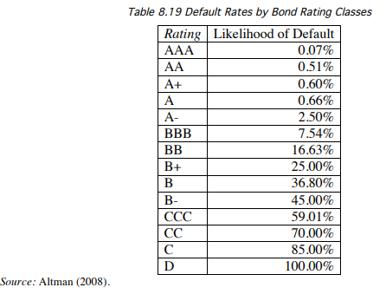
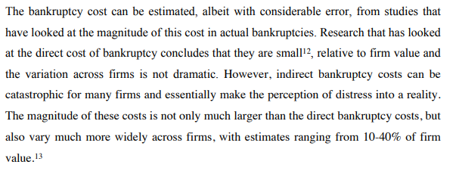

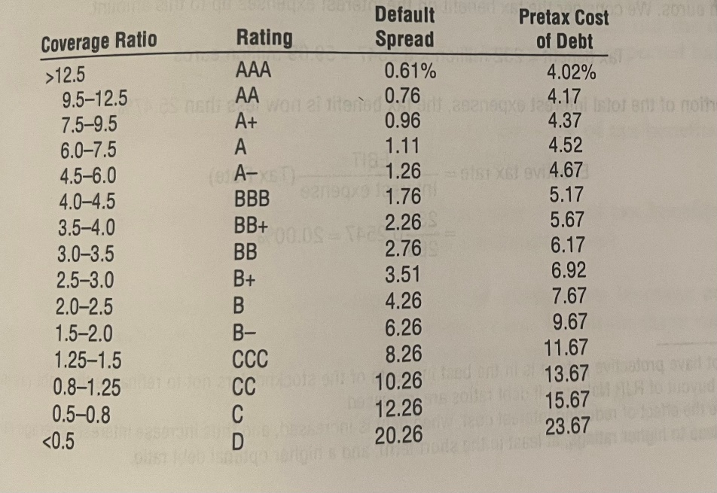

Damodaran pp. 225

interest coverage ~ |  | 3 | B+

 | chance of default |  | 25%
 | Firm value |  | 10,114.96
 | default cost % of FV |  | 30%
 | Bankruptcy risk cost |  | 758.62

 | number of shares |  | 33.542938
 | cost per share |  | 22.62

